Dashboard
HDFC Focused 30 Fund Direct-Growth

Trailing Return
 | HDFC Focused 30 | Category Avg
1 Yr | 16.75% | 7.20%
3 Yr | 26.15% | 17.79%
5 Yr | 32.67% | 24.15%
10 Yr | 15.52% | 14.07%
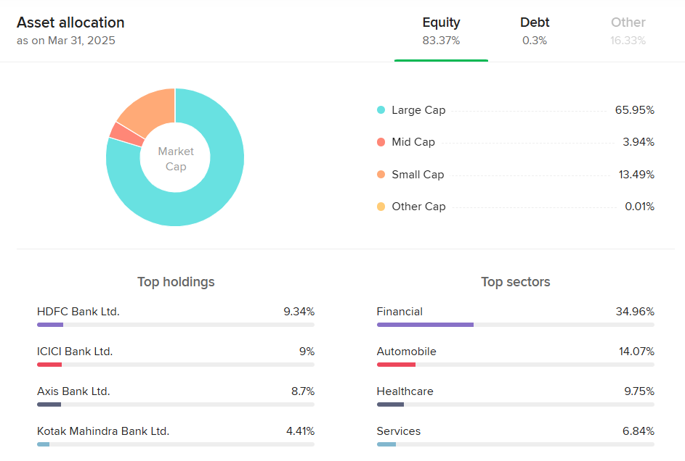
Fund Name | HDFC Focused 30 Fund Direct-Growth |  |  |  |  | Peer Comparison Graphs | Asset Allocation ( From ET Money)
AMC Name | HDFC
Fund Type | Equity
Category | Equity Focused
Plan | Direct
Option | Growth
Inception Date | 2013-01-01
Date of Analysis | 2025-05-03
Analyst | Chinmay C K

Performance

Return | 1 Yr | 3 Yr | 5 Yr | 10 Yr
Trailing Return % | 16.75% | 26.15% | 32.67% | 15.52%
Rolling Return % | 18.80% | 17.20% | 16.10% | 17.70%
Absolute Return % | 16.75% | 100.75% | 311.02% | 323.23%
Risk Ratio
 | HDFC Focused 30 | Category Avg
Alpha | 10.27 | 5.7
Beta | 0.75 | 1.01
Sharpe ratio | 1.49 | 0.68
Treynor Ratio | 0.21 | 0.1
Standard Deviation | 11.43 | 13.6
Risk & Ratio Summary
Benchmark | Nifty 500 TRI
Alpha | 10.27
Beta | 0.75
Sharpe ratio | 1.49
Treynor Ratio | 0.21
Standard Deviation | 11.43
Expense Ratio | 0.81%
Turnover Ratio | 30.73%

SIP Analysis
SIP Start Date | 2020-05-04
Monthly Amount | ₹ 60.86
Total Amount Invested | ₹ 305,000.00
Current Value | ₹ 589,284.52
XIRR (%) | 27%
Total Returns % | 93%

SIP Analysis

Date | NAV | SIP | NAV Allocated |  | Total NAV
2020-05-04 | 60.864 | ₹ -5,000.00 | 82.15 |  | 82.15
2020-06-04 | 64.221 | ₹ -5,000.00 | 77.86 |  | 160.01
2020-07-06 | 70.15 | ₹ -5,000.00 | 71.28 |  | 231.28
2020-08-04 | 71.009 | ₹ -5,000.00 | 70.41 |  | 301.70
2020-09-04 | 72.377 | ₹ -5,000.00 | 69.08 |  | 370.78
2020-10-05 | 70.902 | ₹ -5,000.00 | 70.52 |  | 441.30
2020-11-04 | 71.93 | ₹ -5,000.00 | 69.51 |  | 510.81
2020-12-04 | 81.544 | ₹ -5,000.00 | 61.32 |  | 572.13
2021-01-04 | 87.971 | ₹ -5,000.00 | 56.84 |  | 628.96
2021-02-04 | 95.017 | ₹ -5,000.00 | 52.62 |  | 681.59
2021-03-04 | 98.858 | ₹ -5,000.00 | 50.58 |  | 732.16
2021-04-05 | 95.08 | ₹ -5,000.00 | 52.59 |  | 784.75
2021-05-04 | 94.635 | ₹ -5,000.00 | 52.83 |  | 837.59
2021-06-04 | 104.15 | ₹ -5,000.00 | 48.01 |  | 885.59
2021-07-05 | 106.225 | ₹ -5,000.00 | 47.07 |  | 932.66
2021-08-04 | 111.391 | ₹ -5,000.00 | 44.89 |  | 977.55
2021-09-06 | 113.545 | ₹ -5,000.00 | 44.04 |  | 1021.59
2021-10-04 | 119.152 | ₹ -5,000.00 | 41.96 |  | 1063.55
2021-11-03 | 125.004 | ₹ -5,000.00 | 40.00 |  | 1103.55
2021-12-03 | 120.651 | ₹ -5,000.00 | 41.44 |  | 1144.99
2022-01-04 | 125.69 | ₹ -5,000.00 | 39.78 |  | 1184.77
2022-02-04 | 126.532 | ₹ -5,000.00 | 39.52 |  | 1224.29
2022-03-04 | 116.734 | ₹ -5,000.00 | 42.83 |  | 1267.12
2022-04-04 | 130.353 | ₹ -5,000.00 | 38.36 |  | 1305.48
2022-05-04 | 124.637 | ₹ -5,000.00 | 40.12 |  | 1345.59
2022-06-03 | 125.573 | ₹ -5,000.00 | 39.82 |  | 1385.41
2022-07-04 | 122.578 | ₹ -5,000.00 | 40.79 |  | 1426.20
2022-08-04 | 133.503 | ₹ -5,000.00 | 37.45 |  | 1463.65
2022-09-05 | 139.524 | ₹ -5,000.00 | 35.84 |  | 1499.49
2022-10-04 | 139.881 | ₹ -5,000.00 | 35.74 |  | 1535.23
2022-11-04 | 145.084 | ₹ -5,000.00 | 34.46 |  | 1569.70
2022-12-05 | 151.279 | ₹ -5,000.00 | 33.05 |  | 1602.75
2023-01-04 | 146.913 | ₹ -5,000.00 | 34.03 |  | 1636.78
2023-02-03 | 145.342 | ₹ -5,000.00 | 34.40 |  | 1671.18
2023-03-02 | 144.188 | ₹ -5,000.00 | 34.68 |  | 1705.86
2023-04-06 | 145.889 | ₹ -5,000.00 | 34.27 |  | 1740.13
2023-05-04 | 151.305 | ₹ -5,000.00 | 33.05 |  | 1773.18
2023-06-06 | 156.01 | ₹ -5,000.00 | 32.05 |  | 1805.23
2023-07-04 | 161.771 | ₹ -5,000.00 | 30.91 |  | 1836.13
2023-08-04 | 165.922 | ₹ -5,000.00 | 30.13 |  | 1866.27
2023-09-04 | 170.638 | ₹ -5,000.00 | 29.30 |  | 1895.57
2023-10-04 | 169.259 | ₹ -5,000.00 | 29.54 |  | 1925.11
2023-11-03 | 170.532 | ₹ -5,000.00 | 29.32 |  | 1954.43
2023-12-04 | 185.823 | ₹ -5,000.00 | 26.91 |  | 1981.34
2024-01-04 | 194.766 | ₹ -5,000.00 | 25.67 |  | 2007.01
2024-02-02 | 198.606 | ₹ -5,000.00 | 25.18 |  | 2032.19
2024-03-04 | 206.5 | ₹ -5,000.00 | 24.21 |  | 2056.40
2024-04-04 | 209.742 | ₹ -5,000.00 | 23.84 |  | 2080.24
2024-05-02 | 214.693 | ₹ -5,000.00 | 23.29 |  | 2103.53
2024-06-04 | 213.654 | ₹ -5,000.00 | 23.40 |  | 2126.93
2024-07-04 | 237.287 | ₹ -5,000.00 | 21.07 |  | 2148.00
2024-08-05 | 233.539 | ₹ -5,000.00 | 21.41 |  | 2169.41
2024-09-04 | 246.065 | ₹ -5,000.00 | 20.32 |  | 2189.73
2024-10-04 | 247.05 | ₹ -5,000.00 | 20.24 |  | 2209.97
2024-11-04 | 243.179 | ₹ -5,000.00 | 20.56 |  | 2230.53
2024-12-04 | 248.007 | ₹ -5,000.00 | 20.16 |  | 2250.69
2025-01-06 | 242.047 | ₹ -5,000.00 | 20.66 |  | 2271.35
2025-02-04 | 239.593 | ₹ -5,000.00 | 20.87 |  | 2292.22
2025-03-04 | 227.569 | ₹ -5,000.00 | 21.97 |  | 2314.19
2025-04-04 | 238.233 | ₹ -5,000.00 | 20.99 |  | 2335.18
2025-05-02 | 250.21 | ₹ -5,000.00 | 19.98 |  | 2355.16
2025-05-02 | Current Value | 589284.5236

